Sheet1
PPP First Draw Loan Sizing Worksheet
For: | Corporations, both C-Corps and S-Corps

 | Your business name:

PART I: CALCULATE YOUR MAXIMUM PPP LOAN REQUEST AMOUNT

1. | Select the time period you are using |  | 2019

 | Employee Payroll Costs:
2. | a. Enter 2019 IRS Form 941 Taxable Medicare wages & tips | Q1 | $0.00
 | Line 5c-column 1 from each quarterly 941
 |  | Q2 | $0.00

 |  | Q3 | $0.00

 |  | Q4 | $0.00

 |  | Subtotal | $0.00
 | As applicable for 2019: |  | (auto-calculated)
 | b. Enter any pre-tax employee contributions for health insurance or other fringe benefits excluded from Taxable Medicare wages & tips |  | $0.00

 | c. Enter (i) any amount paid to any individual employee in excess of $100,000, and (ii) any amounts paid to any employee whose principal place of residence is outside the US | (-) | $0.00

 | Additional eligible payroll costs for 2019:
 | d. Enter 2019 employer contributions for employee group health, life, disability, vision, and dental insurance |  | $0.00
 | The attributable portion of IRS Form 1120 line 24 or IRS Form 1120-S line 18

 | e. 2019 employer contributions to employee retirement plans |  | $0.00
 | IRS Form 1120 line 23 or IRS Form 1120-S line 17

 | f. 2019 employer state and local taxes assessed on employee compensation, primarily state unemployment insurance tax |  | $0.00
 | Primarily state unemployment insurance tax (from state quarterly wage reporting forms)

3. | Subtotal all payroll costs |  | $0.00
 | Adding Line 2-a, b, d, e, f, and minus Line 2-c |  | (auto-calculated)

4. | Calculate average monthly payroll |  | $0.00
 | Payroll Subtotal (Line 3) / 12 |  | (auto-calculated)
 | » Enter this amount in the 'Average Monthly Payroll' box of your SBA Form 2483

5. | Multiply the average monthly payroll amount by 2.5 |  | $0.00
 |  |  | (auto-calculated)

6. | Add the outstanding amount of any EIDL loan received between 1/31/20 and 4/3/20 that you seek to refinance. |  | $0.00
 | Do not include the amount of any advance under an EIDL COVID-19 loan (because it does not have to be repaid).
 | You do not have to refinance your EIDL. This is rare and purely optional.

→ | This Your Maximum PPP Loan Request Amount: |  | $0.00
 | Line 5 + Line 6 rounded down to nearest whole dollar |  | (auto-calculated)
 | » Enter up to this amount in the 'Loan Request Amount' box of your SBA Form 2483

PART II: ORGANIZE YOUR REQUIRED SUPPORTING DOCUMENTS
The following documents must be submitted along with your completed SBA Form 2483. If any required documents are missing, it will delay the processing of your application and could jeapordize its ability to be funded.
 | Document(s) to support your Average Monthly Payroll figure:
□ | 2019 IRS Form 941 from each quarter (or equivalent payroll processor records or IRS Wage and Tax Statements)

 | Document(s) to prove in operation:
□ | A payroll statement or similar documentation from the pay period that covered February 15, 2020 must be provided to establish you were in operation and had employees on that date.

** Continue to the next page for Part III **

PART III: FILL OUT YOUR SBA FORM 2483
Below are the most common ways applicants incorrectly fill out their Form 2483. Please review each of them to ensure you've correctly completed your form, and then initial at the bottom once you've verfied each of the items.
Page 1 Common Issues:
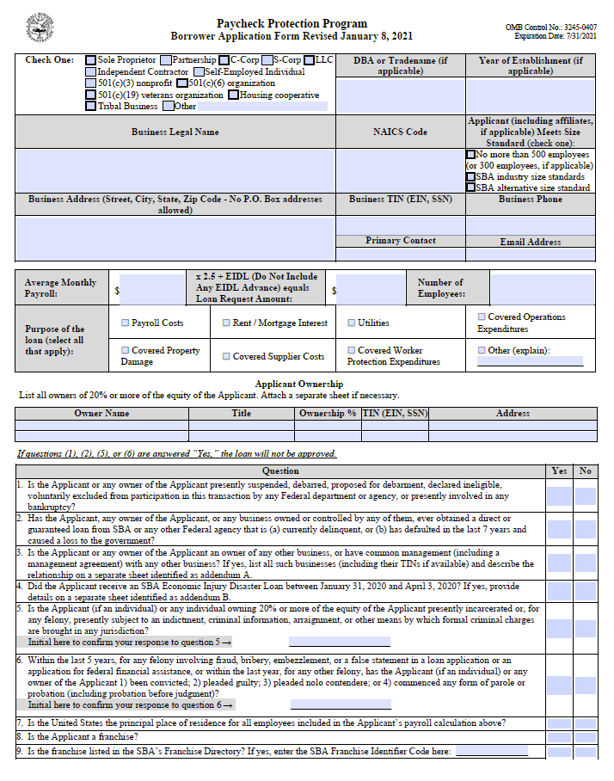

Make sure to enter your full EIN (if incorporated) or SSN (if self-employed) without dashes.

Must provide SSN (without dashes) if owner is an individual. Only use EIN if owner is another business.

Make sure and answer all questions.

If Yes for #3, you must attach Addendum A.

If Yes for #4, you must attach Addendum B.

Don't forget to initial questions 5 & 6!!!

Carefully read and answer #7 (hint: must be 'Yes' to be a valid application)

Initial all boxes
Page 2 Common Issues:
And don't forget to sign your form!!

 |  |  | Initial:
Initial to the right to indicate that you have reviewed each of these common issues and verified your form has been completed fully to the best of your ability →

SPECIAL INSTRUCTIONS IF USING THE "STARTUP METHOD" TIME PERIOD
If you were in operation on February 15, 2020, but were not in operation between February 15, 2019, and June 30, 2019, you may choose one of two ways to calculate your First Draw PPP Loan amount. The first option is to simply use payroll information for all of 2020 instead of 2019. If using this option, please select "2020" as your time period for question 1 above and then proceed following the instructions. The second option, the "Startup Method", is to calculate your loan amount using your average monthly payroll costs for January and February 2020. Compute January and February 2020 payroll costs and enter the relevant amounts on Page 1 Lines 2 a-f. You also must provide payroll records from those two months, your IRS Form 941 for the first quarter of 2020, and documentation of any employer retirement and group health, life, disability, vision, and dental insurance contributions made on behalf of employees.

QUESTIONS?
Please visit our PPP Help Center for FAQ, webinars, and contact information to reach one of our PPP specialists

